Sheet1
 | Docker | Vagrant
Setting up | Despite the seeming simplicity of the approach, Doker developers say it is more difficult to install and use Docker than Vagrant. | To install Vagrant, you need to have an additional platform preinstalled, for example, Virtual Box.
Collaboration | Docker is a great collaboration platform. All you need to do is create a Docker image and save it to the Docker Hub so that everyone on the team can have access to it. | Vagrant ensures the creation of a consistent workflow, so it would be wrong to say that it is bad for collaboration. This platform just works differently. | Using Docker With Vagrant - How Is It Possible
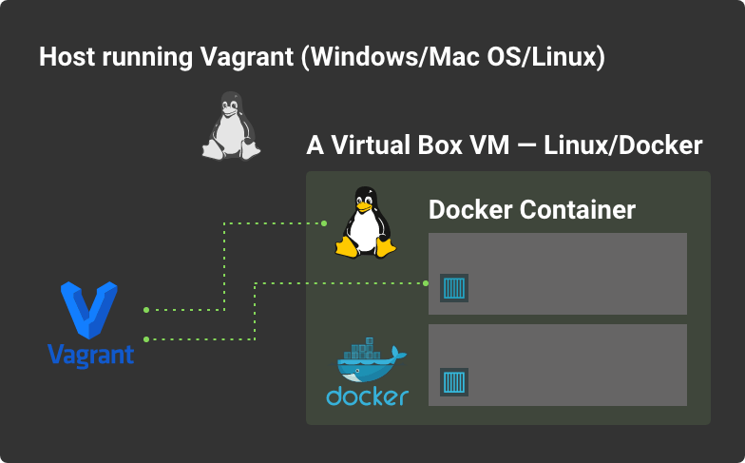
Resource isolation and consumption | Docker containers need a guest operating system and a kernel, shared by all the containers you have. However, Docker uses fewer resources compared to Vagrant. | Vagrant allows you to isolate all the necessary resources completely. However, compared to Docker, it requires more resources initially.
Startup times | Compared to Vagrant, Docker wins on this criterion because it spends fewer resources, and you can create Docker images faster than Vagrant virtual machines. | With Vagrant, it’s the opposite situation - creating a virtual machine is laborious and time-consuming, which may slow down the startup time a little.
Vagrant and Docker Virtualization | Linux container | Virtual machine
Image build time | You need less time to create a Docker image compared to the Vagrant virtual machine. | You need more time to create a Vagrant virtual machine compared to a Docker image.
Security levels | Containers are considered less secure than virtual machines because each of the containers accesses the guest operating system. However, there is some good news. If the security of one of the containers is compromised, the others will not be affected since the containers are completely isolated from each other. | Vagrant provides a holistic and completely isolated virtual machine and is therefore considered a safer alternative to containers.
Limitations | Docker may help with building and running containers on Linux, Windows, and macOS. | No operating system limitations
Size | 100 MB+ | 1 GB+
Sharing | Docker Hub | Vagrant Cloud
Pros | Simplicity of approach Less resource consumption Enhanced collaboration capabilities Accelerated time to build images Can be used as a provider for Vagrant | Security Isolation of resources No restrictions on operating systems | Docker vs. Vagrant - Types of Projects Each of Them Is Suitable for So, Docker is good for: applications that need transparent version control applications that focus on easy and effective communication between teams applications that require a flexible virtual environment (that is, for the developer to be able to deploy the code on their laptop in the same way as on the server) However, Docker is not suitable if you prioritize security, have multiple operating systems, or deal with GUI-based applications. Vagrant, in turn, is well suited for large projects that seek improved security, but at the same time, may afford to sacrifice speed and resources.
Cons | Operating system support | Startup time The size

Vagrant |  |  |  | Vagrant | Docker
 |  |  | Virtualization | Virtual machine | Linux container
Vagrant is an open source tool for managing virtual environments. These environments are usually virtual machines. That’s why you run Vagrant with another tool like Virtual Box. Its goal is to solve the problems we just discussed by allowing you to spin up virtual machines that are exactly the same every time. You can be sure that the virtual machine you are running on your local machine is exactly the same as the one you’re running on your staging or production server. Once you’ve used Vagrant (and another tool like Virtual Box) to set up a virtual server, you run a provisioning script exactly the same on each machine. The provisioning script will: Install the correct programs you need (e.g. Node.JS, PHP, etc); Correctly set up user permissions; Configure everything; Install anything else your application requires. What you end up with is essentially the same environment wherever you set up a virtual machine with Vagrant. Now, you can run your code or application, and it will run the same on your machine, your buddies machine, and in staging and production environments. You can also push your Vagrant file and code to GitHub, and anyone that pulls in and runs it will be able to recreate the virtual environment easily. When they run your code in this environment, it should act the same every time. |  |  | Resource isolation | Strong | Weak (shared kernel)
 |  |  | Startup time | Minutes | Seconds
 |  |  | Image build time | 10+ minutes | mins
 |  |  | Size | 1GB+ | 100MB+
 |  |  | Sharing | Vagrant Cloud | Docker Hub

